CoverFree Proposal
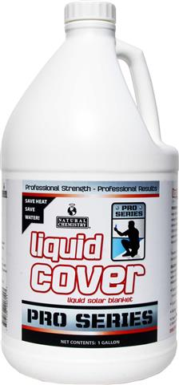

 |  |  |  |  | COVERfree Liquid Pool Cover Proposal

To |  |  |  |  | Ref:

 |  |  |  |  | Date: | 2020-03-27

Contact: | HeatPumps4Pools Ltd
Tel: | 01268-206560

Please enter the appropriate values in the Orange shaded boxes:-

Pool Size Sqm |  |  | 50 |  | No of weeks in use pa |  | 25

Dosing Pump Required? |  |  | Yes |  | Commercial gutter/ deck level |  | No
 |  |  |  |  | pool or high bather load pool?

COVERfree Liquid

Weekly dosing , 4 US oz per 667 sqft of surface area = |  |  |  |  | 3.2 | US oz per week | Annual Requirement |  | 0.6 | US Gallons
Weekly dosing, 118ml per 62m2 of surface area = |  |  |  |  | 95 | ml per week | Annual Requirement |  | 2.4 | Litres
Weekly dosing, 1.9 ml per m2 per week = |  |  |  |  | 14 | ml per day

COVERfree is supplied in 1 US Gallon bottles = 3.79 litres each at a cost of |  |  |  |  |  |  | £116.66 | each + VAT

Annual requirement equates to |  |  | 0.6 | bottles |  |  | Annual expenditure |  | £73.23
 |  |  |  |  |  |  | Daily cost of COVERfree |  | £0.42

Suggested Order Quantity |  |  | 1 | bottles |  |  | Order Price |  | £116.66
This will last approximately |  |  | 40 | weeks or | 9 | Months

Automatic Dosing Pump

Price of automatic dosing pump (£295.83 + VAT each) |  |  |  |  |  |  |  |  | £295.83

Total cost of COVERfree liquid and dosing pump |  |  |  |  |  |  |  |  | £412.49

Delivery

UK delivery charge for |  | 1 | x US Gallon bottles of COVERfree |  |  |  |  |  | FREE

International Delivery Charge |  |  |  |  |  |  |  |  | £0.00

Total cost of initial order including delivery |  |  |  |  |  |  |  |  | £412.49 | +VAT

Prices exclude VAT

COVERFree is distributed by HeatPumps4Pools Ltd

Version 5.0 March 2020 |  |  | This COVERFree calculator is copyright and property of HeatPumps4Pools Ltd

